Project3670
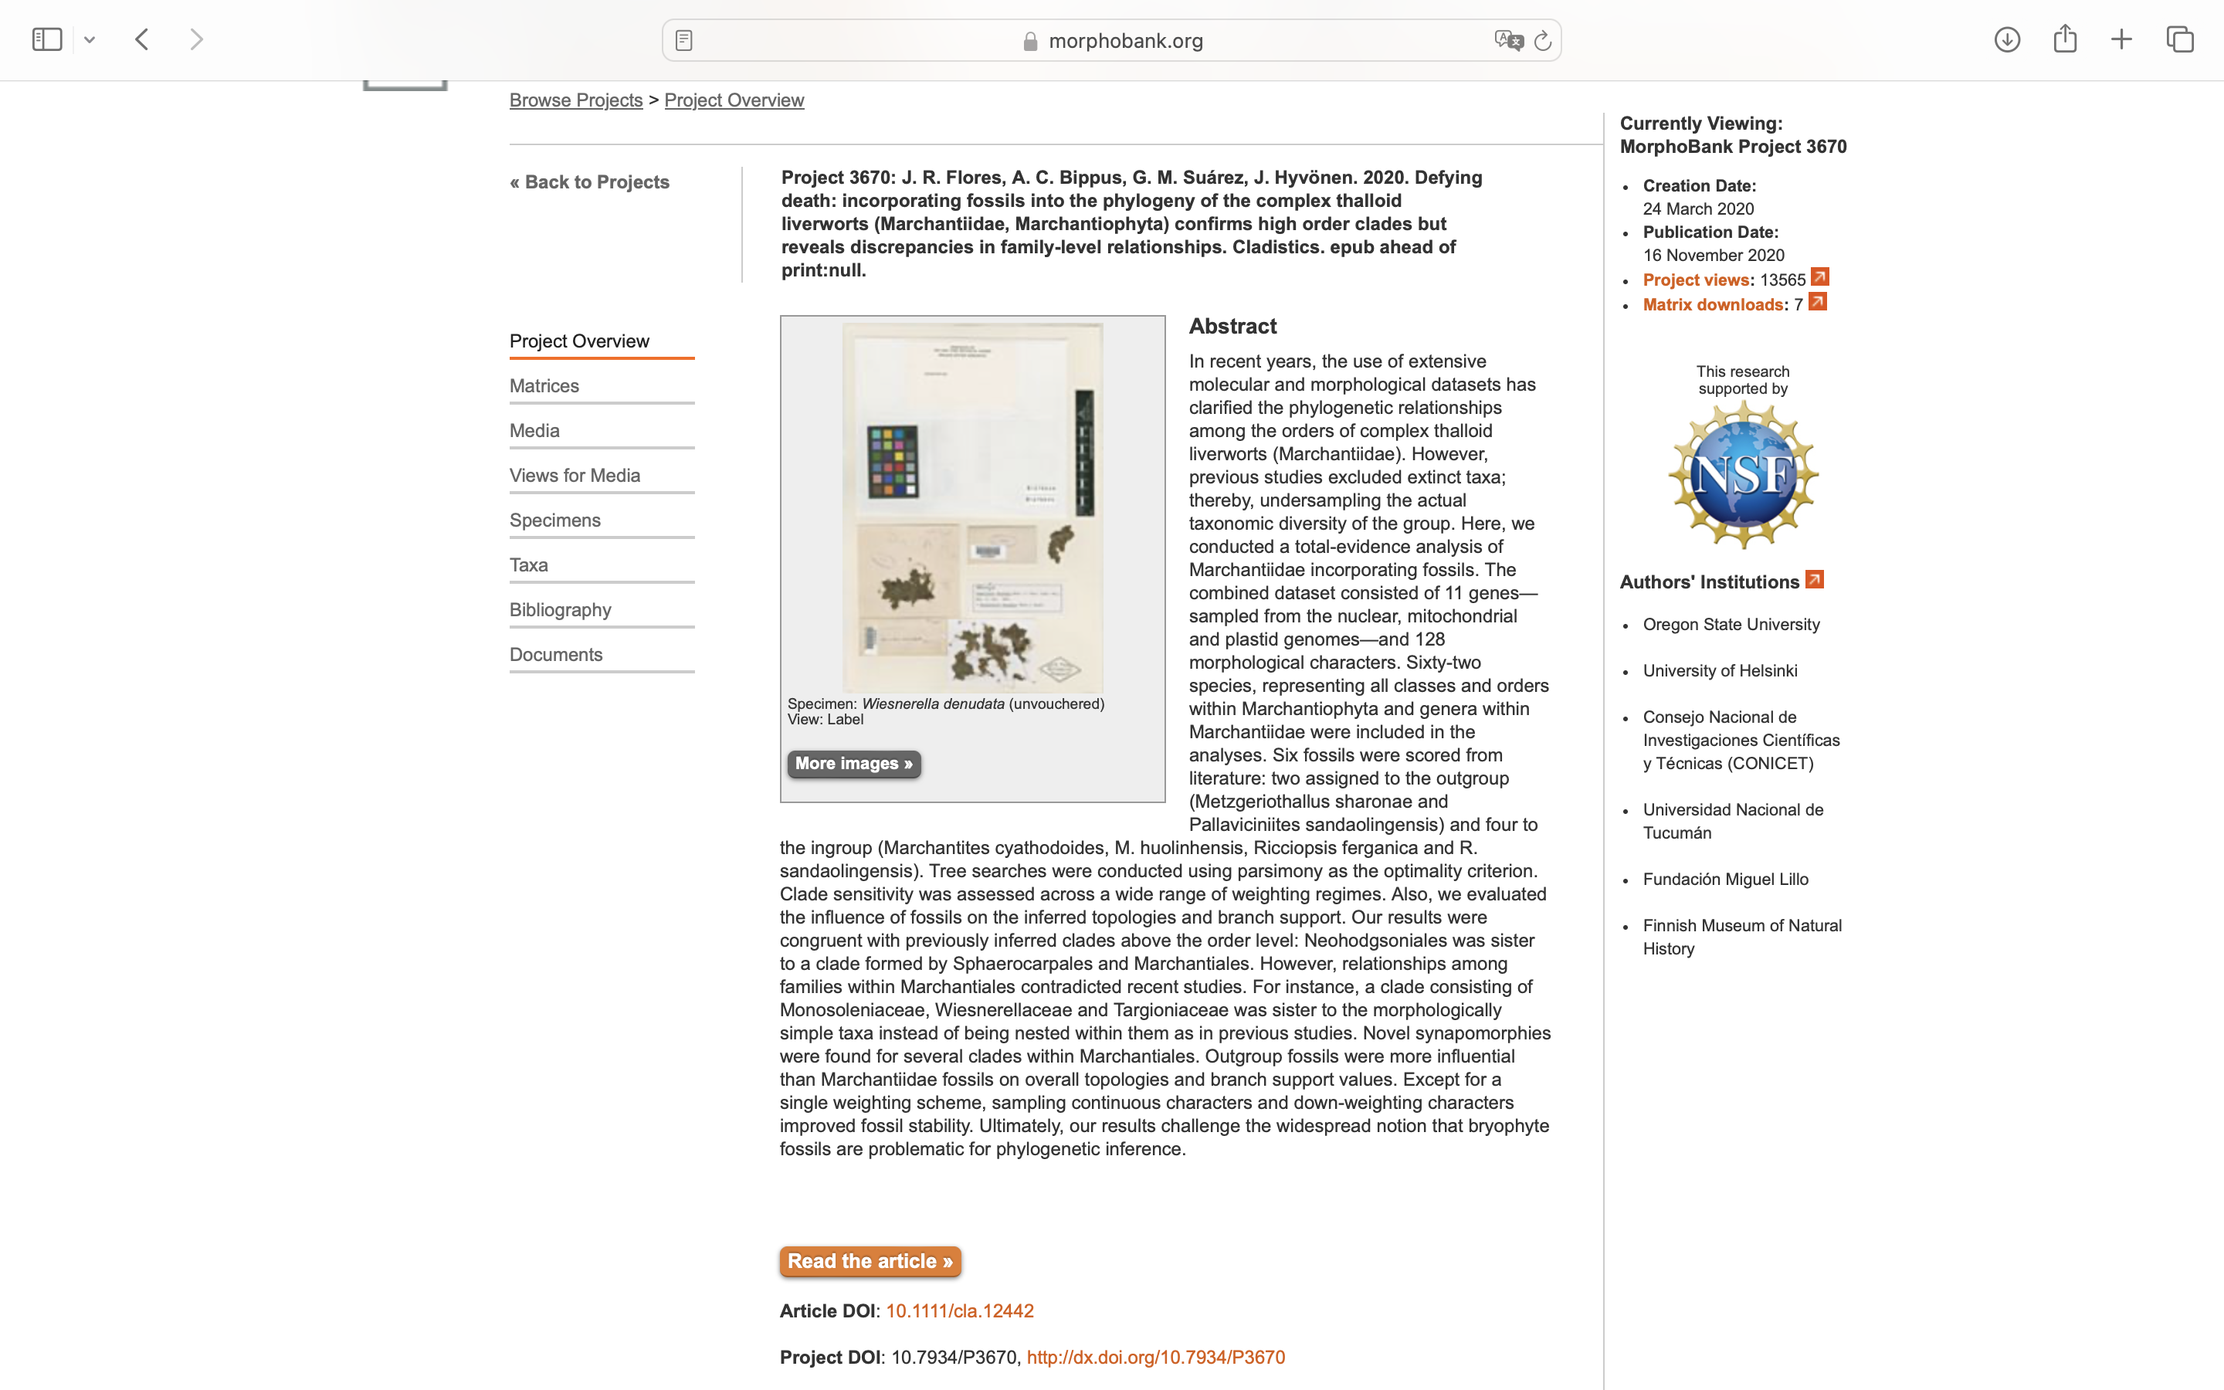
Charlabels | Character Pattern | Unseen States
[1] 'Thallus-Stem, gametophyte growth form (sankoff)' | Transformational | YES
[2] 'Thallus-Stem, apical cell ventral face development' | Transformational | YES
[3] 'Thallus-Stem, shape(plain view)' | Transformational | YES
[4] 'Thallus-Stem, furrow' | Neomorphic | NO
[5] 'Thallus-Stem, aggregation (sankoff)' | Transformational | YES
[6] 'Thallus-Stem, drought tolerance' | Neomorphic | NO
[7] 'Thallus-Stem, apical cell geometry' | Transformational | YES
[8] 'Thallus-Stem, epidermical cells mucilage secretion' | Neomorphic | NO
[9] 'Thallus-Stem, apical cell division plane' | Transformational | YES
[10] 'Thallus-Stem, apical cell derivate first division' | Transformational | YES
[11] 'Thallus-Stem, phyllotaxy at apex' | NT?;0=11;1=12;2=13;3=0-
[12] 'Thallus-Stem, apical cell tilt' | Neomorphic | NO
[13] 'Thallus-Stem, pitted parenchymatic cell (water conducting cells)' | NT?;0=0-;1=11;2=12;3=13
[14] 'Thallus-Stem, leaf-wing origin' | Transformational | YES
[15] 'Thallus-Stem, leaf morphology' | NT?;0=0-;1=11;2=12;3=13;4=14
[16] 'Thallus-Stem, lateral branching' | Transformational | YES
[17] 'Thallus-Stem, branch bases' | Neomorphic | NO
[18] 'Thallus-Stem, length of branch bases' | Transformational | NO
[19] 'Thallus-Stem, oil body ocurrence' | NT?;0=0-;1=11;2=12;3=13
[20] 'Thallus-Stem, protonema' | Transformational | YES
[21] 'Thallus-Stem, nostoc symbionts' | Neomorphic | NO
[22] 'Thallus-Stem, air chambers (sankoff)' | NT?;0=0-;1=11;2=12;3=13;4=14;5=15
[23] 'Thallus-Stem, air pores' | NT?;0=0-;1=11;2=12;3=13
[24] 'Thallus-Stem, schizogenous mucilage cavities' | Neomorphic | NO
[25] 'Thallus-Stem, food conducting cells' | Neomorphic | NO
[26] 'Thallus-Stem, chromosome number' | Transformational | YES
[27] 'Thallus-Stem, tubers presence' | NT?;0=0-;1=11;2=12
[28] 'Thallus-Stem, gemmae' | NT?;0=0-;1=11;2=12;3=13
[29] 'Thallus-Stem, ventral branching' | NT?;0=0-;1=11;2=12;3=13
[30] 'Thallus-Stem, ventral appendage mature' | NT3;0=0-;1=11;2=12;3=13
[31] 'Thallus-Stem, ventral appendage form' | Transformational | YES
[32] 'Thallus-Stem, ventral appendage shape (sankoff)' | Transformational | YES
[33] 'Thallus-Stem, scales appendage form' | Transformational | YES
[34] 'Thallus-Stem, scales appendage number' | Transformational | NO
[35] 'Thallus-Stem, medial scales margin' | Transformational | YES
[36] 'Thallus-Stem, scale appendage margin' | Transformational | YES
[37] 'Thallus-Stem, appendage basal constriction' | Neomorphic | NO
[38] 'Thallus-Stem, appendage cell form' | Transformational | YES
[39] 'Thallus-Stem, rhizoids development type' | NT?;0=0-;1=11;2=12;3=13;4=14
[40] 'Thallus-Stem, rhizoids smooth differential wall thickness' | Neomorphic | NO
[41] 'Thallus-Stem, rhizoids types of pegged rhizoids along thallus' | Transformational | YES
[42] 'Thallus-Stem, pegged rhizoids internal structure of each pegg' | Transformational | YES
[43] 'Thallus-Stem, pegged rhizoids orientation of rhizoids' | Transformational | YES
[44] 'Thallus-Stem, pegged rhizoids distribution along the mature plant' | Transformational | YES
[45] 'Thallus-Stem, rhizoids pegs development related to positional segregation' | Neomorphic | NO
[46] 'Thallus-Stem, rhizoids pigmentation' | Neomorphic | NO
[47] 'Thallus-Stem, sexual condition' | Transformational | YES
[48] 'Thallus-Stem, paraphyses in perigonium' | Neomorphic | NO
[49] 'Thallus-Stem, paraphyses in perichaetium' | Neomorphic | NO
[50] 'Thallus-Stem, position of marchantioid involucre' | NT?;0=11;1=11;2=0-
[51] 'Thallus-Stem, perichaetial position' | Transformational | YES
[52] 'Thallus-Stem, archegoniophore' | Neomorphic | NO
[53] 'Thallus-Stem, archegoniophore number of rhizoid furrows' | NT?;0=0-;1=11;2=12;3=13
[54] 'Thallus-Stem, archegoniophore stalk anatomy (additive)' | Transformational | NO
[55] 'Thallus-Stem, archegonia receptacle anatomy (additive)' | Transformational | NO
[56] 'Thallus-Stem, archegonia stalk pore/female receptacle pore (additive)' | Transformational | YES
[57] 'Thallus-Stem, archegoniophore stalk elongation' | NT?;0=0-;1=11;2=12;3=13
[58] 'Thallus-Stem, archegonia distal cell early development' | Transformational | NO
[59] 'Thallus-Stem, archegonia jacket cell early divisions' | Transformational | YES
[60] 'Thallus-Stem, archegonia number per inflorecence' | Transformational | NO
[61] 'Thallus-Stem, archegonia neck cells (CT) (additive)' | Transformational | YES
[62] 'Thallus-Stem, perigonial position' | Transformational | YES
[63] 'Thallus-Stem, antheridia receptacles limit' | NT?;0=0-;1=11;2=12
[64] 'Thallus-Stem, antheridia development oblique divisions of the distal cell' | Transformational | YES
[65] 'Thallus-Stem, antheridia development filamentous-stage cell number' | Transformational | YES
[66] 'Thallus-Stem, antheridia development temporal origin of the biseriate stalk' | NT?;0=0-;1=11;2=12
[67] 'Thallus-Stem, antheridia stalk anatomy' | Transformational | YES
[68] 'Thallus-Stem, antheridial origin' | Transformational | YES
[69] 'Thallus-Stem, apical cell in antheridium' | Neomorphic | NO
[70] 'Thallus-Stem, antheridia development young antheridia (androgonial cells)' | Transformational | YES
[71] 'Thallus-Stem, antheridia jacket cells' | Transformational | YES
[72] 'Spermatid, spline aperture' | Transformational | NO
[73] 'Spermatid, LS tapering orientation' | Transformational | NO
[74] 'Spermatid, basal body dimorphism' | Neomorphic | NO
[75] 'Spermatid, spline width' | Transformational | YES
[76] 'Spermatid, spline coiling' | Transformational | NO
[77] 'Spermatid, BB overlapping degree' | Transformational | NO
[78] 'Spermatid, spline associated with LS' | Neomorphic | NO
[79] 'Spermatid, notch presence' | Neomorphic | NO
[80] 'Spermatid, AM extention at mature' | Transformational | NO
[81] 'Spermatid, spline geometry' | Transformational | YES
[82] 'Spermatid, ABBs position' | Transformational | YES
[83] 'Spermatid, LS/ABB length (additive)' | Transformational | YES
[84] 'Transfer cell, gametophyte' | Neomorphic | NO
[85] 'Transfer cell, sporophyte' | Neomorphic | NO
[86] 'Sporophyte, embryo type' | Transformational | YES
[87] 'Sporophyte, embryo ontogeny' | Transformational | YES
[88] 'Sporophyte, embryo apical cell' | Neomorphic | NO
[89] 'Sporophyte, embryo protection structure, outer perichaetium (additive)' | NT?;0=0-;1=11;2=12;3=13
[90] 'Sporophyte, embryo protection structre, inner perichaetium' | NT?;0=0-;1=11;2=12;3=13;4=14
[91] 'Sporophyte, embryo protection structure, calyptra (additive)' | NT?;0=0-;1=11;2=12;3=13
[92] 'Sporophyte, embryo protection structure, chlorophyllous outer perochaetium' | NT2;0=0-;1=11;2=12
[93] 'Sporophyte, foot form' | NT?;0=11;1=12;2=13;3=14;4=15;5=0-
[94] 'Sporophyte, seta development' | Transformational | YES
[95] 'Sporophyte, seta cell arrangment' | Transformational | NO
[96] 'Sporophyte, hydroids in sporophyte' | Neomorphic | NO
[97] 'Sporophyte, leptoids in sporophyte' | Neomorphic | NO
[98] 'Sporophyte, cruciate seta pattern' | Neomorphic | NO
[99] 'Sporophyte, capsule form' | Transformational | YES
[100] 'Sporophyte, capsule wall' | Transformational | NO
[101] 'Sporophyte, capsule internal wall thickening' | NT?;0=0-;1=11;2=12
[102] 'Sporophyte, capsule external wall thickening' | Neomorphic | NO
[103] 'Sporophyte, capsule dehiscence' | Transformational | YES
[104] 'Sporophyte, capsule stomates' | Neomorphic | NO
[105] 'Sporophyte, columella' | Neomorphic | NO
[106] 'Sporophyte, elaters' | Neomorphic | NO
[107] 'Sporophyte, elaters thickening bands' | Neomorphic | NO
[108] 'Sporophyte, elaterophores' | NT?;0=0-;1=11;2=12
[109] 'Spore, perine layer' | Neomorphic | NO
[110] 'Spore, spore:elater division ratio' | Transformational | NO
[111] 'Spore, mother cells lobed' | Neomorphic | NO
[112] 'Spore, germination' | Transformational | NO
[113] 'Spore, germ tube' | Neomorphic | NO
[114] 'Spore, polarized' | Neomorphic | NO
[115] 'Spore, distal gross morphology' | Transformational | YES
[116] 'Spore, proximal gross morphology' | Transformational | NO
[117] 'Spore, equator cingulum development' | NT?;0=0-;1=11;2=12
[118] 'Spore, equator zone development' | Neomorphic | NO
[119] 'Spore, distal face basal ornamentation' | NT?;0=0-;1=11;2=12;3=13
[120] 'Spore, proximal face basal ornamentation' | NT?;0=0-;1=11;2=12

